Blad1
Formula from Data sheet

rx_buf[0] | T MSB: | 96
rx_buf[1] | T LSB: | 19
rx_buf[2] | T CRC: | 196
rx_buf[3] | RH MSB: | 126
rx_buf[4] | RH LSB: | 223
rx_buf[5] | RH CRC: | 253
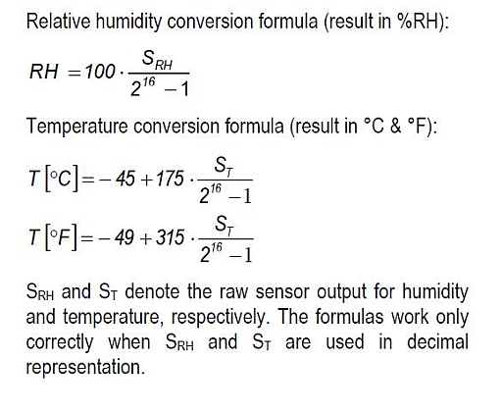
T WORD | 24595
RH WORD | 32479

TC | 20.677
RH% | 49.560

